No Movement
Confusion Matrix for Only "No Movement" Use Case

Usecase:- Winter Wear no Movement without FFT
Usecase:- without FFT Data | F1_score | Accuracy
X = 80 and Y = 1000 | 0.89 | 80%
X = 80 and Y = 3000 | 0.88 | 79% |  |  |  |  | Notices:-
X = 80 and Y = 5000 | 0.86 | 75%
X = 80 and Y = 7000 | 0.83 | 71%
X = 80 and Y = 9000 | 0.85 | 74%
X = 80 and Y = 11000 | 0.79 | 66%
X = 80 and Y = 13000 | 0.77 | 62%
X = 80 and Y = 10000 | 0.89 | 80%
X = 100 and Y = 10000 | 0.87 | 77%
X = 120 and Y = 10000 | 0.85 | 74%
X = 140 and Y = 10000 | 0.83 | 71%
X = 160 and Y = 10000 | 0.8 | 67%
X = 180 and Y = 10000 | 0.77 | 62%
X = 200 and Y = 10000 | 0.64 | 47%

Usecase:- Winter Wear no Movement with FFT

Usecase:- with FFT Data | F1_score | Accuracy
X = 80 and Y = 1000 | 0.72 | 81%
X = 80 and Y = 3000 | 0.71 | 79%
X = 80 and Y = 5000 | 0.75 | 75%
X = 80 and Y = 7000 | 0.75 | 80%
X = 80 and Y = 9000 | 0.63 | 85%
X = 80 and Y = 11000 | 0.66 | 63%
X = 80 and Y = 13000 | 0.56 | 60%
X = 80 and Y = 10000 | 0.8 | 86%
X = 100 and Y = 10000 | 0.72 | 80%
X = 120 and Y = 10000 | 0.61 | 67%
X = 140 and Y = 10000 | 0.62 | 61%
X = 160 and Y = 10000 | 0.58 | 59%
X = 180 and Y = 10000 | 0.55 | 65%
X = 200 and Y = 10000 | 0.59 | 60%

 |  |  | Usecase:- No Movement X = 80 and Y = 1000 |  | Usecase:- No Movement X = 80 and Y = 1000

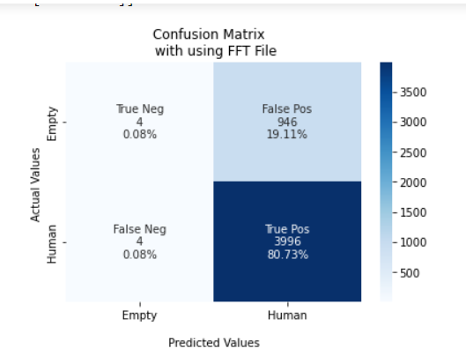
 |  |  |  | Confusion Matrix without FFT Data |  | Confusion Matrix with FFT Data
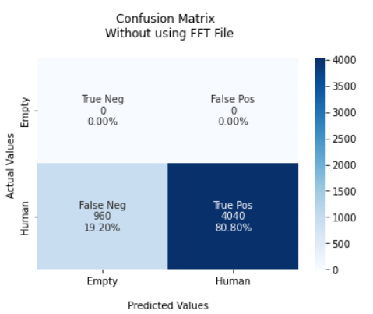

 |  |  |  | F1 Score = 0.89 |  | F1 Score = 0.72
 |  |  |  | TPR: [ nan 0.808] |  | TPR: [0.00421053 0.999 ]
 |  |  |  | TNR: [0.808 nan] |  | TNR: [0.999 0.00421053]
 |  |  |  | PPV: [0. 1.] |  | PPV: [0.5 0.80857952]
 |  |  |  | NPV: [1. 0.] |  | NPV: [0.80857952 0.5 ]
 |  |  |  | FPR: [19.2 nan] |  | FPR: [ 0.1 99.57894737]
 |  |  |  | FNR: [ nan 19.2] |  | FNR: [99.57894737 0.1 ]
 |  |  |  | FDR: [1. 0.] |  | FDR: [0.5 0.19142048]
 |  |  |  | ACC: [0.80] |  | ACC: [0.81]

 |  |  | Usecase:- No Movement X = 80 and Y = 3000 |  | Usecase:- No Movement X = 80 and Y = 3000

 |  |  |  | Confusion Matrix without FFT Data |  | Confusion Matrix with FFT Data
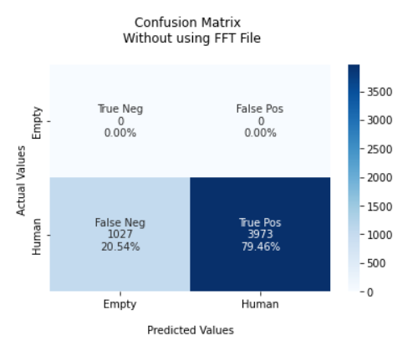
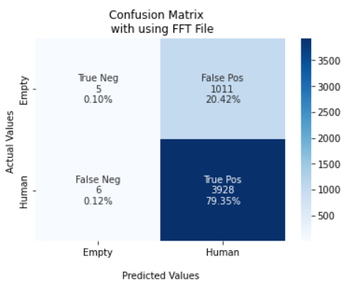

 |  |  |  | F1 Score = 0.88 |  | F1 Score = 0.71
 |  |  |  | TPR: [ nan 0.7946] |  | TPR: [0.00492126 0.99847483]
 |  |  |  | TNR: [0.7946 nan] |  | TNR: [0.99847483 0.00492126]
 |  |  |  | PPV: [0. 1.] |  | PPV: [0.45454545 0.79530269]
 |  |  |  | NPV: [1. 0.] |  | NPV: [0.79530269 0.45454545]
 |  |  |  | FPR: [20.54 nan] |  | FPR: [ 0.15251652 99.50787402]
 |  |  |  | FNR: [ nan 20.54] |  | FNR: [99.50787402 0.15251652]
 |  |  |  | FDR: [1. 0.] |  | FDR: [0.54545455 0.20469731]
 |  |  |  | ACC: [0.79] |  | ACC: [0.79]

 |  |  | Usecase:- No Movement X = 80 and Y = 5000 |  | Usecase:- No Movement X = 80 and Y = 5000

 |  |  |  | Confusion Matrix without FFT Data |  | Confusion Matrix with FFT Data
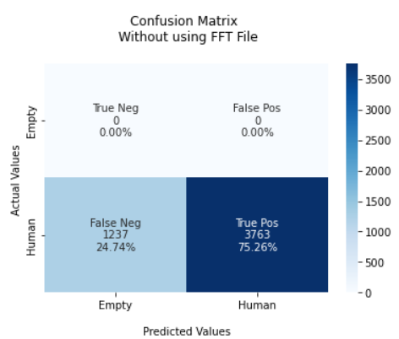
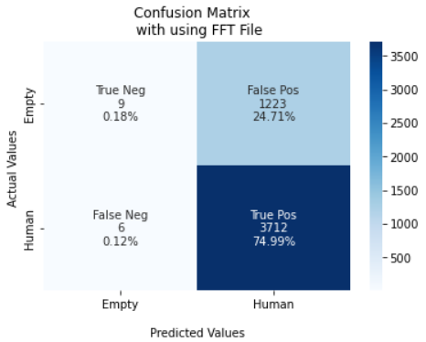

 |  |  |  | F1 Score = 0.86 |  | F1 Score = 0.75
 |  |  |  | TPR: [ nan 0.7526] |  | TPR: [0.00730519 0.99838623]
 |  |  |  | TNR: [0.7526 nan] |  | TNR: [0.99838623 0.00730519]
 |  |  |  | PPV: [0. 1.] |  | PPV: [0.6 0.75217832]
 |  |  |  | NPV: [1. 0.] |  | NPV: [0.75217832 0.6 ]
 |  |  |  | FPR: [24.74 nan] |  | FPR: [ 0.16137708 99.26948052]
 |  |  |  | FNR: [ nan 24.74] |  | FNR: [99.26948052 0.16137708]
 |  |  |  | FDR: [1. 0.] |  | FDR: [0.4 0.24782168]
 |  |  |  | ACC: [0.75] |  | ACC: [0.75]

 |  |  | Usecase:- No Movement X = 80 and Y = 7000 |  | Usecase:- No Movement X = 80 and Y = 7000

 |  |  |  | Confusion Matrix without FFT Data |  | Confusion Matrix with FFT Data
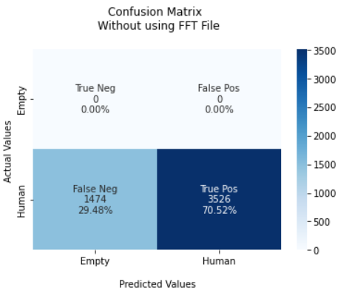
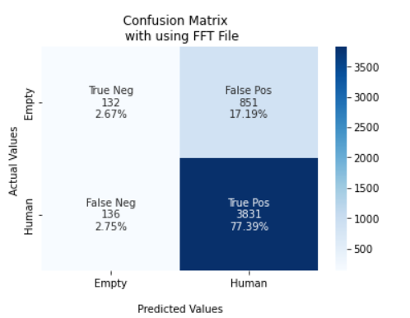

 |  |  |  | F1 Score = 0.83 |  | F1 Score = 0.75
 |  |  |  | TPR: [ nan 0.7052] |  | TPR: [0.13428281 0.96571717]
 |  |  |  | TNR: [0.7052 nan] |  | TNR: [0.96571717 0.13428281]
 |  |  |  | PPV: [0. 1.] |  | PPV: [0.49253731 0.81824007]
 |  |  |  | NPV: [1. 0.] |  | NPV: [0.81824007 0.49253731]
 |  |  |  | FPR: [29.48 nan] |  | FPR: [ 3.42828334 86.57171923]
 |  |  |  | FNR: [ nan 29.48] |  | FNR: [86.57171923 3.42828334]
 |  |  |  | FDR: [1. 0.] |  | FDR: [0.50746269 0.18175993]
 |  |  |  | ACC: [0.71 ] |  | ACC: [0.80]

 |  |  | Usecase:- No Movement X = 80 and Y = 9000 |  | Usecase:- No Movement X = 80 and Y = 9000

 |  |  |  | Confusion Matrix without FFT Data |  | Confusion Matrix with FFT Data
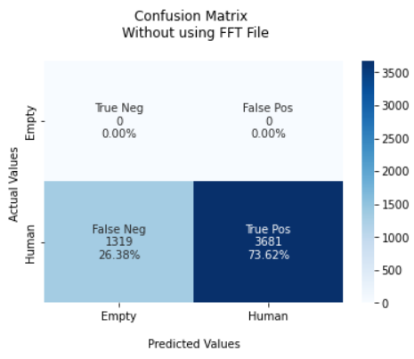
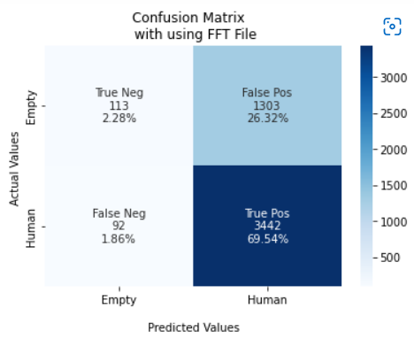

 |  |  |  | F1 Score = 0.85 |  | F1 Score = 0.63
 |  |  |  | TPR: [ nan 0.7362] |  | TPR: [0.04607046 0.98931624]
 |  |  |  | TNR: [0.7362 nan] |  | TNR: [0.98931624 0.04607046]
 |  |  |  | PPV: [0. 1.] |  | PPV: [0.43037975 0.85547116]
 |  |  |  | NPV: [1. 0.] |  | NPV: [0.85547116 0.43037975]
 |  |  |  | FPR: [26.38 nan] |  | FPR: [ 1.06837607 95.39295393]
 |  |  |  | FNR: [ nan 26.38] |  | FNR: [95.39295393 1.06837607]
 |  |  |  | FDR: [1. 0.] |  | FDR: [0.56962025 0.14452884]
 |  |  |  | ACC: [0.74] |  | ACC: [0.85]

 |  |  | Usecase:- No Movement X = 80 and Y = 11000 |  | Usecase:- No Movement X = 80 and Y = 11000

 |  |  |  | Confusion Matrix without FFT Data |  | Confusion Matrix with FFT Data
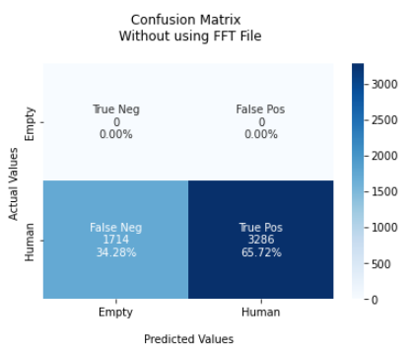
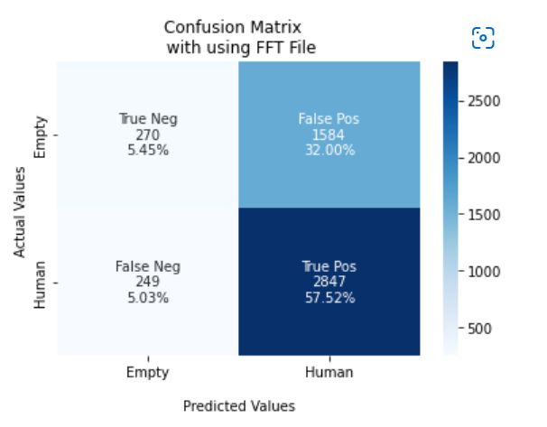

 |  |  |  | F1 Score = 0.79 |  | F1 Score = 0.66
 |  |  |  | TPR: [ nan 0.6572] |  | TPR: [0.14563107 0.91957364]
 |  |  |  | TNR: [0.6572 nan] |  | TNR: [0.91957364 0.14563107]
 |  |  |  | PPV: [0. 1.] |  | PPV: [0.52023121 0.64251862]
 |  |  |  | NPV: [1. 0.] |  | NPV: [0.64251862 0.52023121]
 |  |  |  | FPR: [34.28 nan] |  | FPR: [ 8.04263566 85.4368932 ]
 |  |  |  | FNR: [ nan 34.28] |  | FNR: [85.4368932 8.04263566]
 |  |  |  | FDR: [1. 0.] |  | FDR: [0.47976879 0.35748138]
 |  |  |  | ACC: [0.66] |  | ACC: [0.63]

 |  |  | Usecase:- No Movement X = 80 and Y = 13000 |  | Usecase:- No Movement X = 80 and Y = 13000

 |  |  |  | Confusion Matrix without FFT Data |  | Confusion Matrix with FFT Data
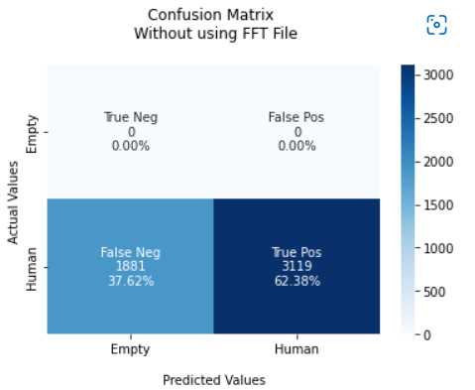
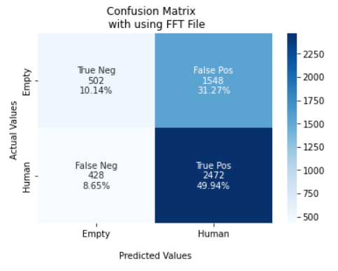

 |  |  |  | F1 Score = 0.77 |  | F1 Score = 0.56
 |  |  |  | TPR: [ nan 0.6238] |  | TPR: [0.24487805 0.85241379]
 |  |  |  | TNR: [0.6238 nan] |  | TNR: [0.85241379 0.24487805]
 |  |  |  | PPV: [0. 1.] |  | PPV: [0.53978495 0.61492537]
 |  |  |  | NPV: [1. 0.] |  | NPV: [0.61492537 0.53978495]
 |  |  |  | FPR: [37.62 nan] |  | FPR: [14.75862069 75.51219512]
 |  |  |  | FNR: [ nan 37.62] |  | FNR: [75.51219512 14.75862069]
 |  |  |  | FDR: [1. 0.] |  | FDR: [0.46021505 0.38507463]
 |  |  |  | ACC: [0.62] |  | ACC: [0.60]

 |  |  | Usecase:- No Movement X = 80 and Y = 10000 |  | Usecase:- No Movement X = 80 and Y = 10000

 |  |  |  | Confusion Matrix without FFT Data |  | Confusion Matrix with FFT Data
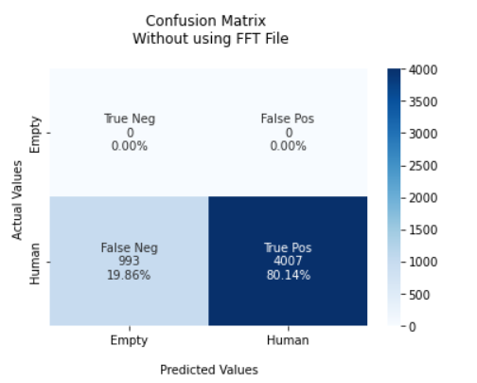
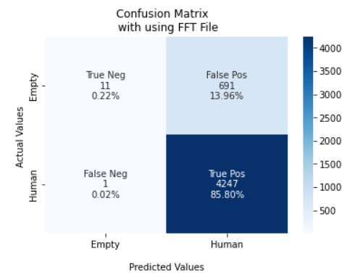

 |  |  |  | F1 Score = 0.89 |  | F1 Score = 0.80
 |  |  |  | TPR: [ nan 0.8014] |  | TPR: [0.01566952 0.9997646 ]
 |  |  |  | TNR: [0.8014 nan] |  | TNR: [0.9997646 0.01566952]
 |  |  |  | PPV: [0. 1.] |  | PPV: [0.91666667 0.8600648 ]
 |  |  |  | NPV: [1. 0.] |  | NPV: [0.8600648 0.91666667]
 |  |  |  | FPR: [19.86 nan] |  | FPR: [2.35404896 9.84330484]
 |  |  |  | FNR: [ nan 19.86] |  | FNR: [9.84330484 2.35404896e]
 |  |  |  | FDR: [1. 0.] |  | FDR: [0.08333333 0.1399352 ]
 |  |  |  | ACC: [0.80] |  | ACC: [0.86]

 |  |  | Usecase:- No Movement X = 100 and Y = 10000 |  | Usecase:- No Movement X = 100 and Y = 10000

 |  |  |  | Confusion Matrix without FFT Data |  | Confusion Matrix with FFT Data
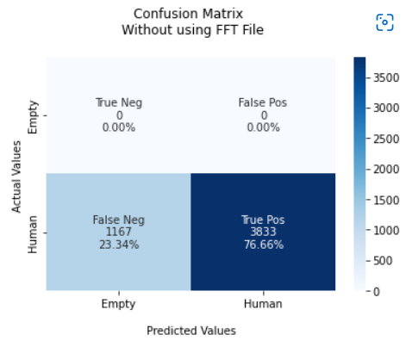
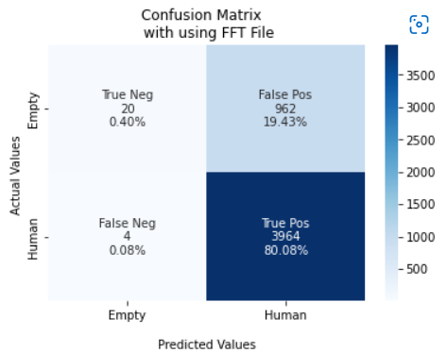

 |  |  |  | F1 Score = 0.87 |  | F1 Score = 0.72
 |  |  |  | TPR: [ nan 0.7666] |  | TPR: [0.0203666 0.99899194]
 |  |  |  | TNR: [0.7666 nan] |  | TNR: [0.99899194 0.0203666 ]
 |  |  |  | PPV: [0. 1.] |  | PPV: [0.83333333 0.8047097 ]
 |  |  |  | NPV: [1. 0.] |  | NPV: [0.8047097 0.83333333]
 |  |  |  | FPR: [23.34 nan] |  | FPR: [ 0.10080645 97.96334012]
 |  |  |  | FNR: [ nan 23.34] |  | FNR: [97.96334012 0.10080645]
 |  |  |  | FDR: [1. 0.] |  | FDR: [0.16666667 0.1952903 ]
 |  |  |  | ACC: [0.77] |  | ACC: [0.80]

 |  |  | Usecase:- No Movement X = 120 and Y = 10000 |  | Usecase:- No Movement X = 120 and Y = 10000

 |  |  |  | Confusion Matrix without FFT Data |  | Confusion Matrix with FFT Data
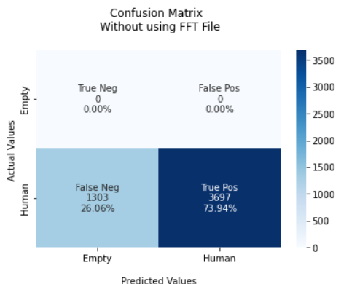
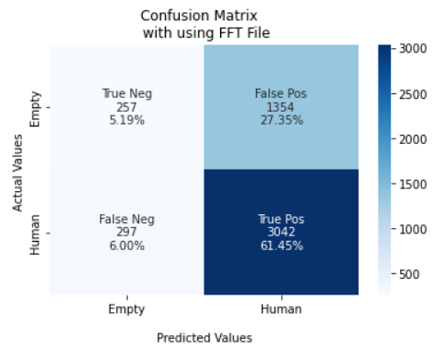

 |  |  |  | F1 Score = 0.85 |  | F1 Score = 0.61
 |  |  |  | TPR: [ nan 0.7394] |  | TPR: [0.15952824 0.91105121]
 |  |  |  | TNR: [0.7394 nan] |  | TNR: [0.91105121 0.15952824]
 |  |  |  | PPV: [0. 1.] |  | PPV: [0.46389892 0.69199272]
 |  |  |  | NPV: [1. 0.] |  | NPV: [0.69199272 0.46389892]
 |  |  |  | FPR: [26.06 nan] |  | FPR: [ 8.89487871 84.04717567]
 |  |  |  | FNR: [ nan 26.06] |  | FNR: [84.04717567 8.89487871]
 |  |  |  | FDR: [1. 0.] |  | FDR: [0.53610108 0.30800728]
 |  |  |  | ACC: [0.74] |  | ACC: [0.67]

 |  |  | Usecase:- No Movement X = 140 and Y = 10000 |  | Usecase:- No Movement X = 140 and Y = 10000

 |  |  |  | Confusion Matrix without FFT Data |  | Confusion Matrix with FFT Data
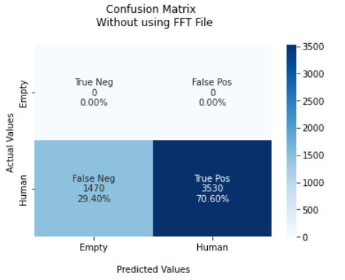
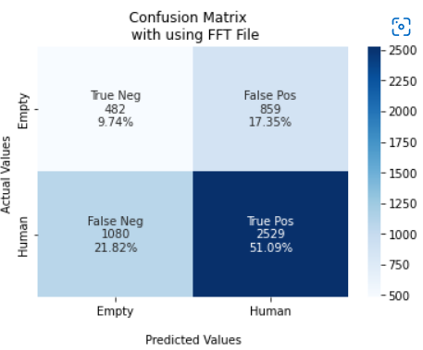

 |  |  |  | F1 Score = 0.83 |  | F1 Score = 0.62
 |  |  |  | TPR: [ nan 0.706] |  | TPR: [0.35943326 0.70074813]
 |  |  |  | TNR: [0.706 nan] |  | TNR: [0.70074813 0.35943326]
 |  |  |  | PPV: [0. 1.] |  | PPV: [0.30857875 0.74645809]
 |  |  |  | NPV: [1. 0.] |  | NPV: [0.74645809 0.30857875]
 |  |  |  | FPR: [29.4 nan] |  | FPR: [29.92518703 64.05667412]
 |  |  |  | FNR: [ nan 29.4] |  | FNR: [64.05667412 29.92518703]
 |  |  |  | FDR: [1. 0.] |  | FDR: [0.69142125 0.25354191]
 |  |  |  | ACC: [0.71] |  | ACC: [0.61]

 |  |  | Usecase:- No Movement X = 160 and Y = 10000 |  | Usecase:- No Movement X = 160 and Y = 10000

 |  |  |  | Confusion Matrix without FFT Data |  | Confusion Matrix with FFT Data
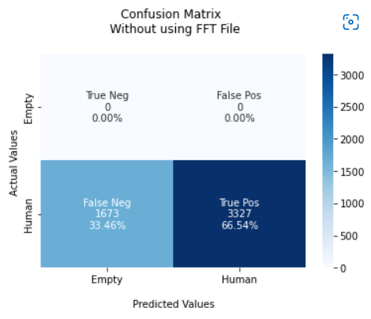
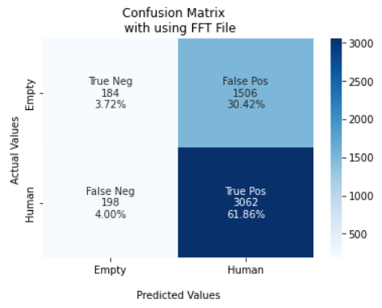

 |  |  |  | F1 Score = 0.80 |  | F1 Score = 0.58
 |  |  |  | TPR: [ nan 0.6654] |  | TPR: [0.10887574 0.9392638 ]
 |  |  |  | TNR: [0.6654 nan] |  | TNR: [0.9392638 0.10887574]
 |  |  |  | PPV: [0. 1.] |  | PPV: [0.48167539 0.67031524]
 |  |  |  | NPV: [1. 0.] |  | NPV: [0.67031524 0.48167539]
 |  |  |  | FPR: [33.46 nan] |  | FPR: [ 6.07361963 89.11242604]
 |  |  |  | FNR: [ nan 33.46] |  | FNR: [89.11242604 6.07361963]
 |  |  |  | FDR: [1. 0.] |  | FDR: [0.51832461 0.32968476]
 |  |  |  | ACC: [0.67] |  | ACC: [0.59]

 |  |  | Usecase:- No Movement X = 180 and Y = 10000 |  | Usecase:- No Movement X = 180 and Y = 10000

 |  |  |  | Confusion Matrix without FFT Data |  | Confusion Matrix with FFT Data
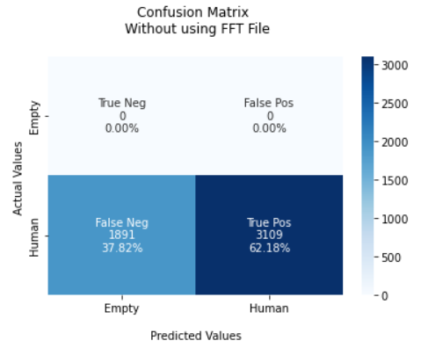
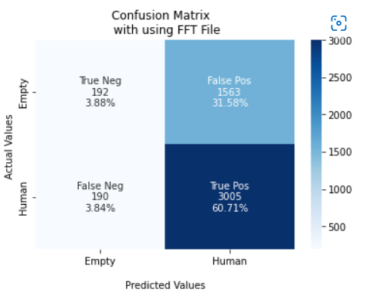

 |  |  |  | F1 Score = 0.77 |  | F1 Score = 0.56
 |  |  |  | TPR: [ nan 0.6218] |  | TPR: [0.10940171 0.94053208]
 |  |  |  | TNR: [0.6218 nan] |  | TNR: [0.94053208 0.10940171]
 |  |  |  | PPV: [0. 1.] |  | PPV: [0.5026178 0.65783713]
 |  |  |  | NPV: [1. 0.] |  | NPV: [0.65783713 0.5026178 ]
 |  |  |  | FPR: [37.82 nan] |  | FPR: [ 5.94679186 89.05982906]
 |  |  |  | FNR: [ nan 37.82] |  | FNR: [89.05982906 5.94679186]
 |  |  |  | FDR: [1. 0.] |  | FDR: [0.4973822 0.34216287]
 |  |  |  | ACC: [0.62] |  | ACC: [0.65]

 |  |  | Usecase:- No Movement X = 200 and Y = 10000 |  | Usecase:- No Movement X = 200 and Y = 10000

 |  |  |  | Confusion Matrix without FFT Data |  | Confusion Matrix with FFT Data
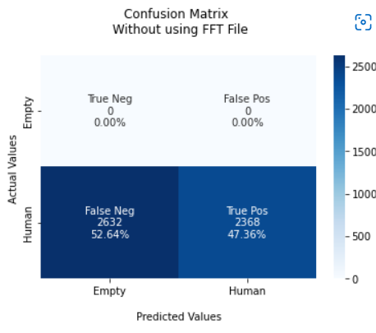
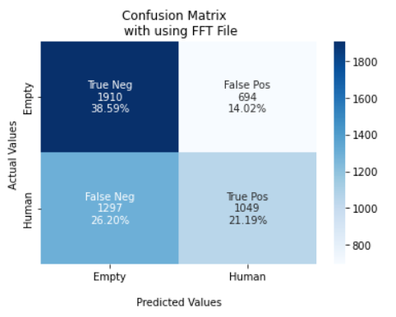

 |  |  |  | F1 Score = 0.64 |  | F1 Score = 0.59
 |  |  |  | TPR: [ nan 0.4736] |  | TPR: [0.73348694 0.44714408]
 |  |  |  | TNR: [0.4736 nan] |  | TNR: [0.44714408 0.73348694]
 |  |  |  | PPV: [0. 1.] |  | PPV: [0.59557219 0.60183592]
 |  |  |  | NPV: [1. 0.] |  | NPV: [0.60183592 0.59557219]
 |  |  |  | FPR: [52.64 nan] |  | FPR: [55.2855925 26.65130568]
 |  |  |  | FNR: [ nan 52.64] |  | FNR: [26.65130568 55.2855925 ]
 |  |  |  | FDR: [1. 0.] |  | FDR: [0.40442781 0.39816408]
 |  |  |  | ACC: [0.47] |  | ACC: [0.60]

Movement
Confusion Matrix for Only "Movement" Use Case

Usecase:- Winter Wear Movement without FFT
Usecase:- without FFT Data | F1_score | Accuracy
X = 80 and Y = 1000 | 0.84 | 72%
X = 80 and Y = 3000 | 0.78 | 64% |  |  |  |  | Notices:-
X = 80 and Y = 5000 | 0.73 | 62%
X = 80 and Y = 7000 | 0.83 | 71%
X = 80 and Y = 9000 | 0.79 | 64%
X = 80 and Y = 11000 | 0.74 | 58%
X = 80 and Y = 13000 | 0.57 | 41%
X = 80 and Y = 10000 | 0.73 | 57%
X = 100 and Y = 10000 | 0.7 | 67%
X = 120 and Y = 10000 | 0.69 | 53%
X = 140 and Y = 10000 | 0.72 | 56%
X = 160 and Y = 10000 | 0.7 | 54%
X = 180 and Y = 10000 | 0.69 | 49%
X = 200 and Y = 10000 | 0.64 | 47%

Usecase:- Winter Wear Movement with FFT

Usecase:- with FFT Data | F1_score | Accuracy
X = 80 and Y = 1000 | 0.76 | 63%
X = 80 and Y = 3000 | 0.7 | 59%
X = 80 and Y = 5000 | 0.64 | 57%
X = 80 and Y = 7000 | 0.71 | 71%
X = 80 and Y = 9000 | 0.7 | 69%
X = 80 and Y = 11000 | 0.64 | 65%
X = 80 and Y = 13000 | 0.62 | 66%
X = 80 and Y = 10000 | 0.68 | 68%
X = 100 and Y = 10000 | 0.56 | 64%
X = 120 and Y = 10000 | 0.55 | 58%
X = 140 and Y = 10000 | 0.67 | 66%
X = 160 and Y = 10000 | 0.66 | 68%
X = 180 and Y = 10000 | 0.65 | 65%
X = 200 and Y = 10000 | 0.62 | 65%

 |  |  | Usecase:- Movement X = 80 and Y = 1000 |  | Usecase:- Movement X = 80 and Y = 1000

 |  |  |  | Confusion Matrix without FFT Data |  | Confusion Matrix with FFT Data
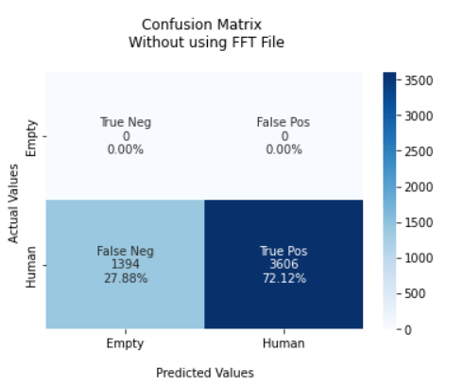
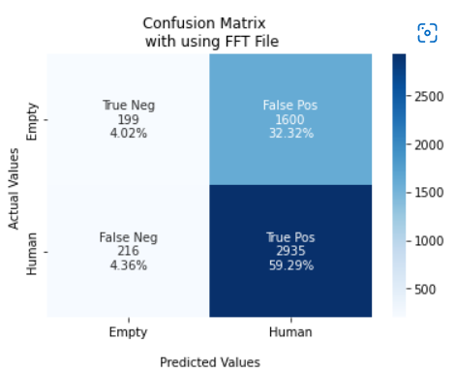

 |  |  |  | F1 Score = 0.84 |  | F1 Score = 0.76
 |  |  |  | TPR: [ nan 0.7212] |  | TPR: [0.11061701 0.93145033]
 |  |  |  | TNR: [0.7212 nan] |  | TNR: [0.93145033 0.11061701]
 |  |  |  | PPV: [0. 1.] |  | PPV: [0.47951807 0.64718853]
 |  |  |  | NPV: [1. 0.] |  | NPV: [0.64718853 0.47951807]
 |  |  |  | FPR: [27.88 nan] |  | FPR: [ 6.85496668 88.93829906]
 |  |  |  | FNR: [ nan 27.88] |  | FNR: [88.93829906 6.85496668]
 |  |  |  | FDR: [1. 0.] |  | FDR: [0.52048193 0.35281147]
 |  |  |  | ACC: [0.72] |  | ACC: [0.63]

 |  |  | Usecase:- Movement X = 80 and Y = 3000 |  | Usecase:- Movement X = 80 and Y = 3000

 |  |  |  | Confusion Matrix without FFT Data |  | Confusion Matrix with FFT Data

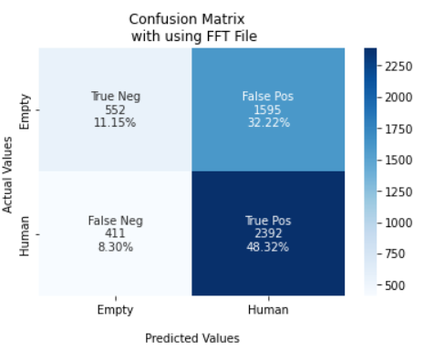

 |  |  |  | F1 Score = 0.78 |  | F1 Score = 0.70
 |  |  |  | TPR: [ nan 0.637] |  | TPR: [0.25710293 0.85337139]
 |  |  |  | TNR: [0.637 nan] |  | TNR: [0.85337139 0.25710293]
 |  |  |  | PPV: [0. 1.] |  | PPV: [0.57320872 0.59994984]
 |  |  |  | NPV: [1. 0.] |  | NPV: [0.59994984 0.57320872]
 |  |  |  | FPR: [36.3 nan] |  | FPR: [14.66286122 74.28970657]
 |  |  |  | FNR: [ nan 36.3] |  | FNR: [74.28970657 14.66286122]
 |  |  |  | FDR: [1. 0.] |  | FDR: [0.42679128 0.40005016]
 |  |  |  | ACC: [0.64] |  | ACC: [0.59]

 |  |  | Usecase:- Movement X = 80 and Y = 5000 |  | Usecase:- Movement X = 80 and Y = 5000

 |  |  |  | Confusion Matrix without FFT Data |  | Confusion Matrix with FFT Data
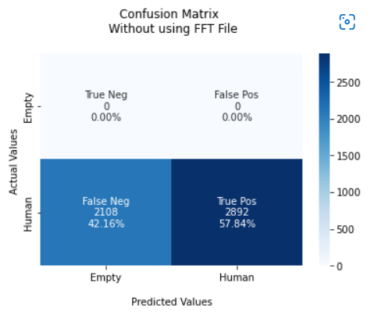
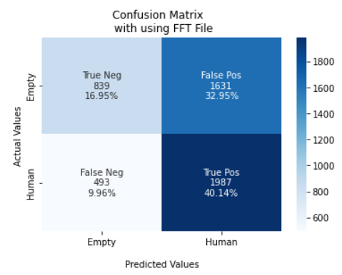

 |  |  |  | F1 Score = 0.73 |  | F1 Score = 0.64
 |  |  |  | TPR: [ nan 0.5784] |  | TPR: [0.33967611 0.80120968]
 |  |  |  | TNR: [0.5784 nan] |  | TNR: [0.80120968 0.33967611]
 |  |  |  | PPV: [0. 1.] |  | PPV: [0.62987988 0.54919845]
 |  |  |  | NPV: [1. 0.] |  | NPV: [0.54919845 0.62987988]
 |  |  |  | FPR: [42.16 nan] |  | FPR: [19.87903226 66.03238866]
 |  |  |  | FNR: [ nan 42.16] |  | FNR: [66.03238866 19.87903226]
 |  |  |  | FDR: [1. 0.] |  | FDR: [0.37012012 0.45080155]
 |  |  |  | ACC: [0.62] |  | ACC: [0.57]

 |  |  | Usecase:- Movement X = 80 and Y = 7000 |  | Usecase:- Movement X = 80 and Y = 7000

 |  |  |  | Confusion Matrix without FFT Data |  | Confusion Matrix with FFT Data
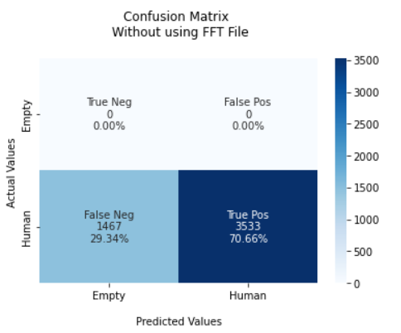
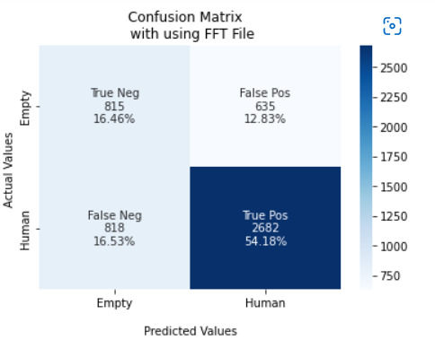

 |  |  |  | F1 Score = 0.83 |  | F1 Score = 0.71
 |  |  |  | TPR: [ nan 0.7066] |  | TPR: [0.56206897 0.76628571]
 |  |  |  | TNR: [0.7066 nan] |  | TNR: [0.76628571 0.56206897]
 |  |  |  | PPV: [0. 1.] |  | PPV: [0.49908145 0.80856195]
 |  |  |  | NPV: [1. 0.] |  | NPV: [0.80856195 0.49908145]
 |  |  |  | FPR: [29.34 nan] |  | FPR: [23.37142857 43.79310345]
 |  |  |  | FNR: [ nan 29.34] |  | FNR: [43.79310345 23.37142857]
 |  |  |  | FDR: [1. 0.] |  | FDR: [0.50091855 0.19143805]
 |  |  |  | ACC: [0.71 ] |  | ACC: [0.71]

 |  |  | Usecase:- Movement X = 80 and Y = 9000 |  | Usecase:- Movement X = 80 and Y = 9000

 |  |  |  | Confusion Matrix without FFT Data |  | Confusion Matrix with FFT Data
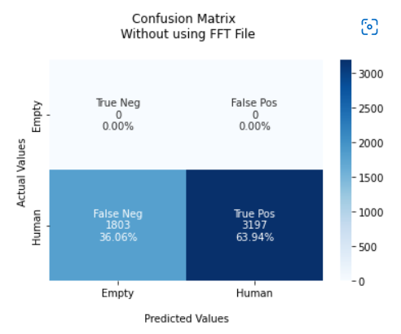
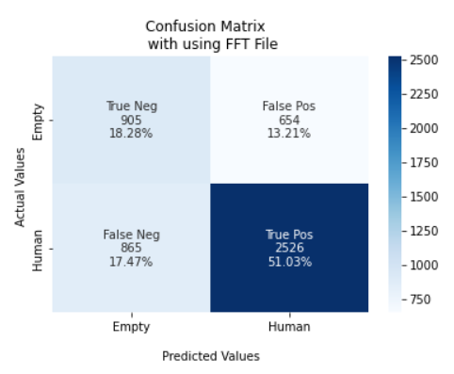

 |  |  |  | F1 Score = 0.79 |  | F1 Score = 0.70
 |  |  |  | TPR: [ nan 0.6394] |  | TPR: [0.58050032 0.74491301]
 |  |  |  | TNR: [0.6394 nan] |  | TNR: [0.74491301 0.58050032]
 |  |  |  | PPV: [0. 1.] |  | PPV: [0.51129944 0.79433962]
 |  |  |  | NPV: [1. 0.] |  | NPV: [0.79433962 0.51129944]
 |  |  |  | FPR: [36.06 nan] |  | FPR: [25.5086995 41.94996793]
 |  |  |  | FNR: [ nan 36.06] |  | FNR: [41.94996793 25.5086995 ]
 |  |  |  | FDR: [1. 0.] |  | FDR: [0.48870056 0.20566038]
 |  |  |  | ACC: [0.64] |  | ACC: [0.69]

 |  |  | Usecase:- Movement X = 80 and Y = 11000 |  | Usecase:- Movement X = 80 and Y = 11000

 |  |  |  | Confusion Matrix without FFT Data |  | Confusion Matrix with FFT Data
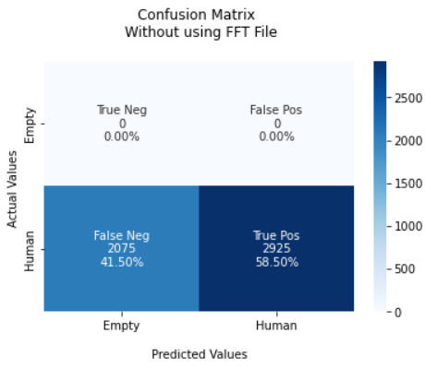
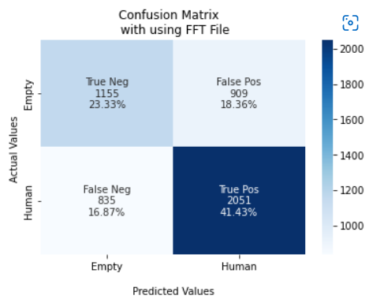

 |  |  |  | F1 Score = 0.74 |  | F1 Score = 0.64
 |  |  |  | TPR: [ nan 0.585] |  | TPR: [0.55959302 0.71067221]
 |  |  |  | TNR: [0.585 nan] |  | TNR: [0.71067221 0.55959302]
 |  |  |  | PPV: [0. 1.] |  | PPV: [0.58040201 0.69290541]
 |  |  |  | NPV: [1. 0.] |  | NPV: [0.69290541 0.58040201]
 |  |  |  | FPR: [41.5 nan] |  | FPR: [28.93277893 44.04069767]
 |  |  |  | FNR: [ nan 41.5] |  | FNR: [44.04069767 28.93277893]
 |  |  |  | FDR: [1. 0.] |  | FDR: [0.41959799 0.30709459]
 |  |  |  | ACC: [0.58] |  | ACC: [0.65]

 |  |  | Usecase:- Movement X = 80 and Y = 13000 |  | Usecase:- Movement X = 80 and Y = 13000

 |  |  |  | Confusion Matrix without FFT Data |  | Confusion Matrix with FFT Data
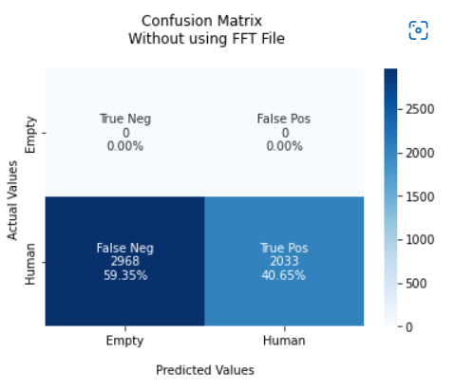
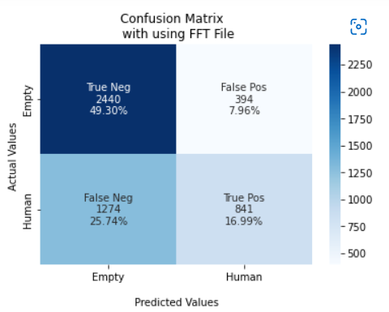

 |  |  |  | F1 Score = 0.57 |  | F1 Score = 0.62
 |  |  |  | TPR: [ nan 0.41] |  | TPR: [0.86097389 0.39763593]
 |  |  |  | TNR: [0.41 nan] |  | TNR: [0.39763593 0.86097389]
 |  |  |  | PPV: [0. 1.] |  | PPV: [0.65697361 0.68097166]
 |  |  |  | NPV: [1. 0.] |  | NPV: [0.68097166 0.65697361]
 |  |  |  | FPR: [59.84 nan] |  | FPR: [60.23640662 13.90261115]
 |  |  |  | FNR: [ nan 59.84] |  | FNR: [13.90261115 60.23640662]
 |  |  |  | FDR: [1. 0.] |  | FDR: [0.34302639 0.31902834]
 |  |  |  | ACC: [0.41] |  | ACC: [0.66]

 |  |  | Usecase:- Movement X = 80 and Y = 10000 |  | Usecase:- Movement X = 80 and Y = 10000

 |  |  |  | Confusion Matrix without FFT Data |  | Confusion Matrix with FFT Data
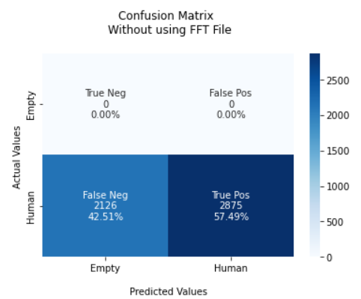
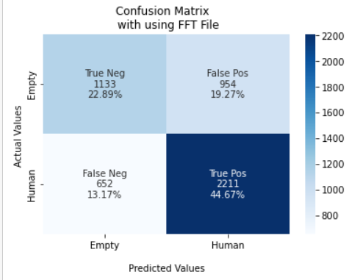

 |  |  |  | F1 Score = 0.73 |  | F1 Score = 0.67
 |  |  |  | TPR: [ nan 0.57488502] |  | TPR: [0.54288452 0.77226685]
 |  |  |  | TNR: [0.57488502 nan] |  | TNR: [0.77226685 0.54288452]
 |  |  |  | PPV: [0. 1.] |  | PPV: [0.63473389 0.6985782 ]
 |  |  |  | NPV: [1. 0.] |  | NPV: [0.6985782 0.63473389]
 |  |  |  | FPR: [42.5114977 nan] |  | FPR: [22.7733147 45.71154768]
 |  |  |  | FNR: [ nan 42.5114977] |  | FNR: [45.71154768 22.7733147 ]
 |  |  |  | FDR: [1. 0.] |  | FDR: [0.36526611 0.3014218 ]
 |  |  |  | ACC: [0.57] |  | ACC: [0.68]

 |  |  | Usecase:- Movement X = 100 and Y = 10000 |  | Usecase:- Movement X = 100 and Y = 10000

 |  |  |  | Confusion Matrix without FFT Data |  | Confusion Matrix with FFT Data
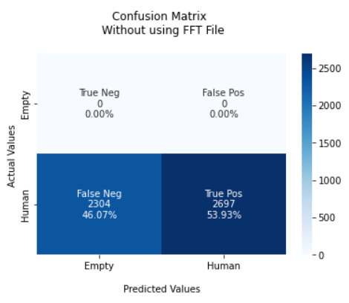
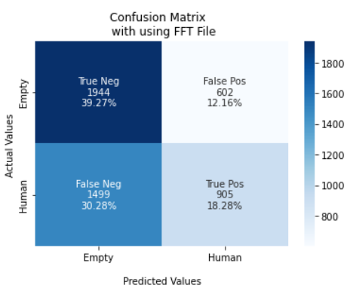

 |  |  |  | F1 Score = 0.70 |  | F1 Score = 0.56
 |  |  |  | TPR: [ nan 0.53929214] |  | TPR: [0.76355067 0.37645591]
 |  |  |  | TNR: [0.53929214 nan] |  | TNR: [0.37645591 0.76355067]
 |  |  |  | PPV: [0. 1.] |  | PPV: [0.56462387 0.60053086]
 |  |  |  | NPV: [1. 0.] |  | NPV: [0.60053086 0.56462387]
 |  |  |  | FPR: [46.07078584 nan] |  | FPR: [62.35440932 23.64493323]
 |  |  |  | FNR: [ nan 46.07078584] |  | FNR: [23.64493323 62.35440932]
 |  |  |  | FDR: [1. 0.] |  | FDR: [0.43537613 0.39946914]
 |  |  |  | ACC: [0.67] |  | ACC: [0.64]

 |  |  | Usecase:- Movement X = 120 and Y = 10000 |  | Usecase:- Movement X = 120 and Y = 10000

 |  |  |  | Confusion Matrix without FFT Data |  | Confusion Matrix with FFT Data
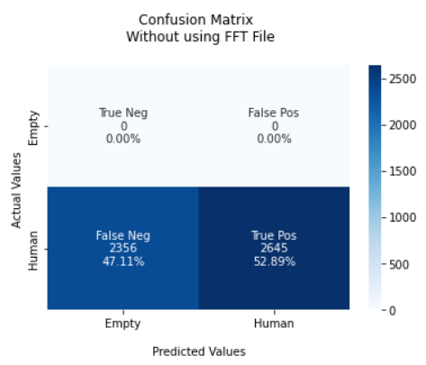
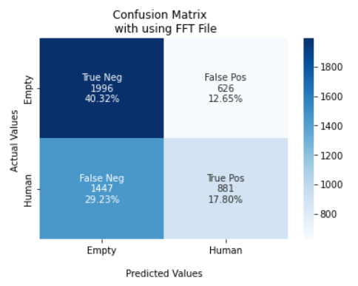

 |  |  |  | F1 Score = 0.69 |  | F1 Score = 0.55
 |  |  |  | TPR: [ nan 0.52889422] |  | TPR: [0.76125095 0.37843643]
 |  |  |  | TNR: [0.52889422 nan] |  | TNR: [0.37843643 0.76125095]
 |  |  |  | PPV: [0. 1.] |  | PPV: [0.57972698 0.58460518]
 |  |  |  | NPV: [1. 0.] |  | NPV: [0.58460518 0.57972698]
 |  |  |  | FPR: [47.11057788 nan] |  | FPR: [62.15635739 23.87490465]
 |  |  |  | FNR: [ nan 47.11057788] |  | FNR: [23.87490465 62.15635739]
 |  |  |  | FDR: [1. 0.] |  | FDR: [0.42027302 0.41539482]
 |  |  |  | ACC: [0.53] |  | ACC: [0.58]

 |  |  | Usecase:- Movement X = 140 and Y = 10000 |  | Usecase:- Movement X = 140 and Y = 10000

 |  |  |  | Confusion Matrix without FFT Data |  | Confusion Matrix with FFT Data
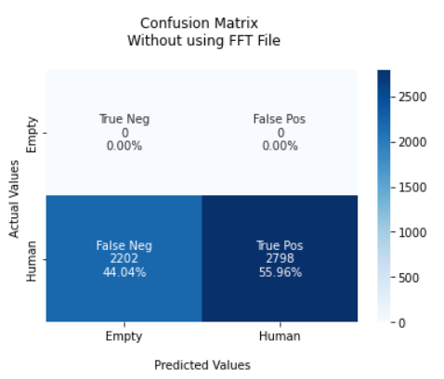
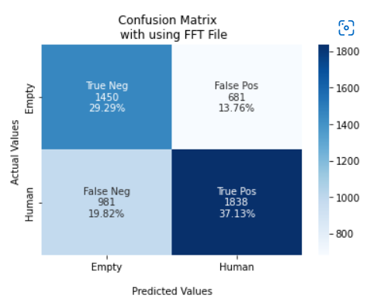

 |  |  |  | F1 Score = 0.72 |  | F1 Score = 0.67
 |  |  |  | TPR: [ nan 0.5596] |  | TPR: [0.68043172 0.65200426]
 |  |  |  | TNR: [0.5596 nan] |  | TNR: [0.65200426 0.68043172]
 |  |  |  | PPV: [0. 1.] |  | PPV: [0.59646236 0.72965462]
 |  |  |  | NPV: [1. 0.] |  | NPV: [0.72965462 0.59646236]
 |  |  |  | FPR: [44.04 nan] |  | FPR: [34.79957432 31.95682778]
 |  |  |  | FNR: [ nan 44.04] |  | FNR: [31.95682778 34.79957432]
 |  |  |  | FDR: [1. 0.] |  | FDR: [0.40353764 0.27034538]
 |  |  |  | ACC: [0.56] |  | ACC: [0.66]

 |  |  | Usecase:- Movement X = 160 and Y = 10000 |  | Usecase:- Movement X = 160 and Y = 10000

 |  |  |  | Confusion Matrix without FFT Data |  | Confusion Matrix with FFT Data
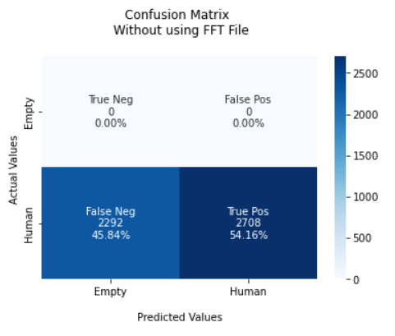


 |  |  |  | F1 Score = 0.70 |  | F1 Score = 0.66
 |  |  |  | TPR: [ nan 0.5416] |  | TPR: [0.67263325 0.63957307]
 |  |  |  | TNR: [0.5416 nan] |  | TNR: [0.63957307 0.67263325]
 |  |  |  | PPV: [0. 1.] |  | PPV: [0.65823278 0.65434691]
 |  |  |  | NPV: [1. 0.] |  | NPV: [0.65434691 0.65823278]
 |  |  |  | FPR: [45.84 nan] |  | FPR: [36.04269294 32.73667462]
 |  |  |  | FNR: [ nan 45.84] |  | FNR: [32.73667462 36.04269294]
 |  |  |  | FDR: [1. 0.] |  | FDR: [0.34176722 0.34565309]
 |  |  |  | ACC: [0.54] |  | ACC: [0.68]

 |  |  | Usecase:- Movement X = 180 and Y = 10000 |  | Usecase:- Movement X = 180 and Y = 10000

 |  |  |  | Confusion Matrix without FFT Data |  | Confusion Matrix with FFT Data



 |  |  |  | F1 Score = 0.69 |  | F1 Score = 0.65
 |  |  |  | TPR: [ nan 0.486] |  | TPR: [0.64838358 0.64314975]
 |  |  |  | TNR: [0.486 nan] |  | TNR: [0.64314975 0.64838358]
 |  |  |  | PPV: [0. 1.] |  | PPV: [0.69482289 0.59344813]
 |  |  |  | NPV: [1. 0.] |  | NPV: [0.59344813 0.69482289]
 |  |  |  | FPR: [51.4 nan] |  | FPR: [35.68502503 35.16164185]
 |  |  |  | FNR: [ nan 51.4] |  | FNR: [35.16164185 35.68502503]
 |  |  |  | FDR: [1. 0.] |  | FDR: [0.30517711 0.40655187]
 |  |  |  | ACC: [0.49] |  | ACC: [0.65]

 |  |  | Usecase:- Movement X = 200 and Y = 10000 |  | Usecase:- Movement X = 200 and Y = 10000

 |  |  |  | Confusion Matrix without FFT Data |  | Confusion Matrix with FFT Data



 |  |  |  | F1 Score = 0.64 |  | F1 Score = 0.62
 |  |  |  | TPR: [ nan 0.4728] |  | TPR: [0.75402299 0.54145299]
 |  |  |  | TNR: [0.4728 nan] |  | TNR: [0.54145299 0.75402299]
 |  |  |  | PPV: [0. 1.] |  | PPV: [0.64715554 0.66369827]
 |  |  |  | NPV: [1. 0.] |  | NPV: [0.66369827 0.64715554]
 |  |  |  | FPR: [52.72 nan] |  | FPR: [45.85470085 24.59770115]
 |  |  |  | FNR: [ nan 52.72] |  | FNR: [24.59770115 45.85470085]
 |  |  |  | FDR: [1. 0.] |  | FDR: [0.35284446 0.33630173]
 |  |  |  | ACC: [0.47] |  | ACC: [0.65]

